Tabelle1
Enquiry 2523-101 Miba Automation Systems

Drawing no. | 3D Model | Description | Dimensions | Quantity | Surface treatment | Material | Assembly group | Quantity | Weight/Pc. (kg) | Total weight (kg)
2523-101-01-009_0 | 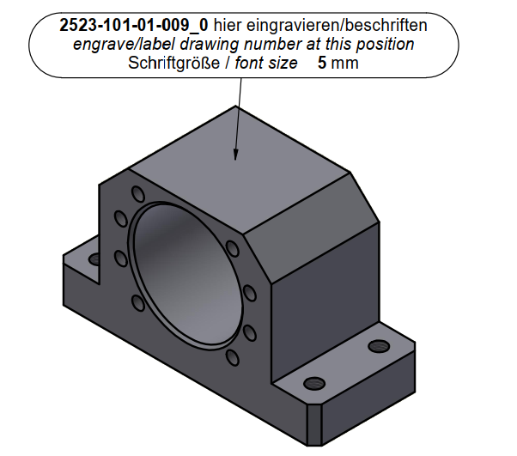 | Bearing block | 180 x 75 x 105 mm | 1 | e. nickel plated | 1.0038 | 01 | 1 | 5.22 | 5.22
2523-101-01-010_0 | 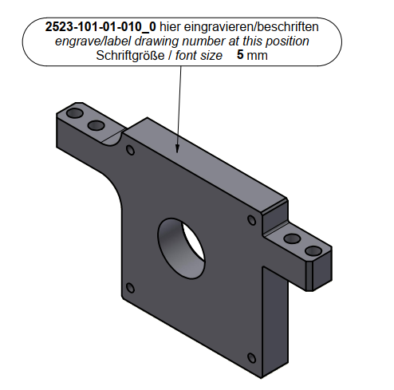 | Bracket | 300 x 30 x 168 mm | 1 | e. nickel plated | 1.0038 | 01 | 1 | 6.80 | 6.80
2523-101-01-012_0 | 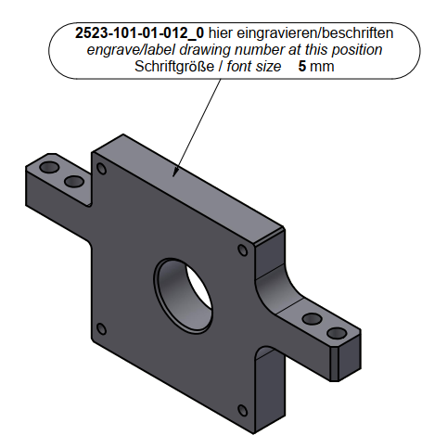 | Bracket | 315 x 30 x 166 mm | 1 | e. nickel plated | 1.0038 | 01 | 1 | 6.81 | 6.81
2523-101-01-015_0 | 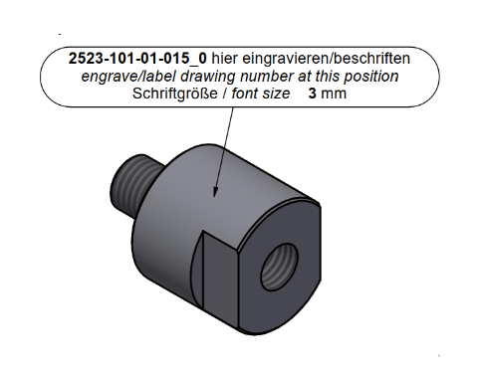 | Lifting shaft | 60 x 84 x 60 mm | 1 | e. nickel plated | 1.0038 | 01 | 1 | 1.13 | 1.13
2523-101-01-017_0 | 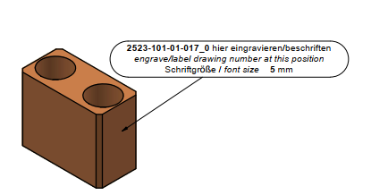 | Clamp | 40 x 50 x 25 mm | 4 | e. nickel plated | 1.0052 | 01 | 4 | 0.30 | 1.20
2523-101-01-019_0 |  | Stopper | 40 x 30 x 30 mm | 2 | e. nickel plated | 1.0052 | 01 | 2 | 0.16 | 0.32
2523-101-01-033_0 | 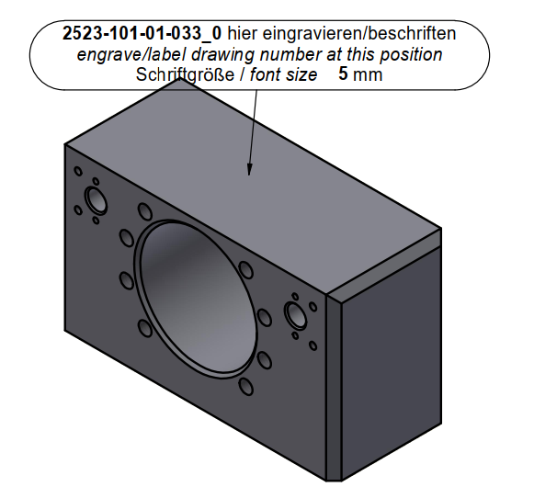 | Bearing block | 180 x 75 x 105 mm | 1 | e. nickel plated | 1.0038 | 01 | 1 | 8.08 | 8.08
2523-101-04-009_0 | 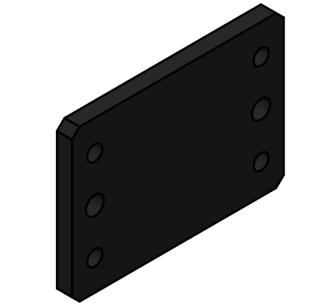 | Spacer plate | t10 - 140 x 100 x 10 mm | 1 | - | EPDM | 04 | 1 | 0.02 | 0.02
2523-101-04-014_0 | 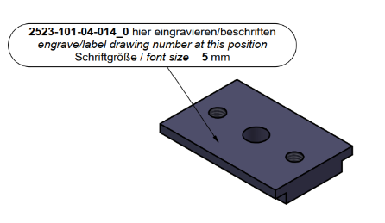 | Sliding block | 40 x 60 x 9 mm | 1 | - | 3.2315 | 04 | 1 | 0.05 | 0.05
2523-101-04-015_0 | 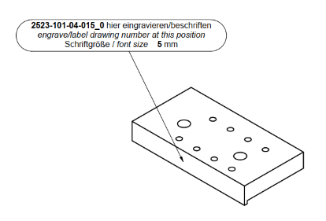 | Mounting plate | 42 x 80 x 12 mm | 1 | - | 3.2315 | 04 | 1 | 0.09 | 0.09
2523-101-05-002_0 | 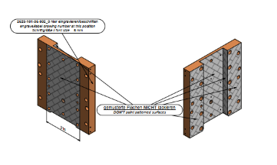 | Base plate | 365 x 325 x 40 mm | 1 | lacquered | 1.0052 | 05 | 1 | 23.60 | 23.60
2523-101-05-017_0 | 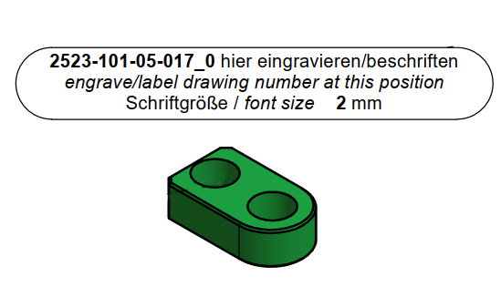 | Key | 34 x 20 x 10 mm | 2 | nitrided | 1.7225 | 05 | 2 | 0.03 | 0.06
2523-101-50-016_0 | 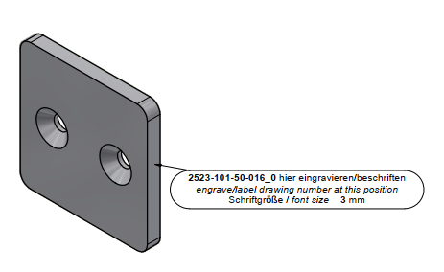 | Plate | 50 x 5 x 50 mm | 8 | - | Teflon | 50 | 8 | 0.03 | 0.24

